Outcomers per category e subcat
Parent Category Outcomes
 | canceled | failed | live | successful
film & video | 40 | 180 |  | 300
food | 20 | 140 | 6 | 34
games |  | 140 |  | 80
journalism | 24
music | 20 | 120 | 20 | 540
photography |  | 117 |  | 103
publishing | 30 | 127 |  | 80
technology | 178 | 213 |  | 209
theater | 37 | 493 | 24 | 839
Count of outcomes | Column Labels
Row Labels | canceled | failed | live | successful | Grand Total
film & video | 40 | 180 |  | 300 | 520
food | 20 | 140 | 6 | 34 | 200
games |  | 140 |  | 80 | 220
journalism | 24 |  |  |  | 24
music | 20 | 120 | 20 | 540 | 700
photography |  | 117 |  | 103 | 220
publishing | 30 | 127 |  | 80 | 237
technology | 178 | 213 |  | 209 | 600
theater | 37 | 493 | 24 | 839 | 1393
Grand Total | 349 | 1530 | 50 | 2185 | 4114

Count of outcomes | Column Labels
Row Labels | canceled | failed | live | successful | Grand Total
animation |  | 100 |  |  | 100
art books | 20 |  |  |  | 20
audio | 24 |  |  |  | 24
children's books |  | 40 |  |  | 40
classical music |  |  |  | 40 | 40
documentary |  |  |  | 180 | 180
drama |  | 80 |  |  | 80
electronic music |  |  |  | 40 | 40
faith |  | 40 | 20 |  | 60
fiction |  | 40 |  |  | 40
food trucks | 20 | 120 |  |  | 140
gadgets |  | 20 |  |  | 20
hardware |  |  |  | 140 | 140
indie rock |  | 20 |  | 140 | 160
jazz |  | 60 |  |  | 60
makerspaces |  | 11 |  | 9 | 20
metal |  |  |  | 20 | 20
mobile games |  | 40 |  |  | 40
musical | 20 | 60 |  | 60 | 140
nature |  | 20 |  |  | 20
nonfiction |  |  |  | 60 | 60
people |  | 20 |  |  | 20
photobooks |  | 57 |  | 103 | 160
places |  | 20 |  |  | 20
plays |  | 353 | 19 | 694 | 1066
pop |  |  |  | 40 | 40
radio & podcasts |  |  |  | 20 | 20
restaurants |  | 20 |  |  | 20
rock |  |  |  | 260 | 260
science fiction | 40 |  |  |  | 40
shorts |  |  |  | 60 | 60
small batch |  |  | 6 | 34 | 40
space exploration | 18 | 2 |  | 40 | 60
spaces | 17 | 80 | 5 | 85 | 187
tabletop games |  |  |  | 80 | 80
television |  |  |  | 60 | 60
translations | 10 | 47 |  |  | 57
video games |  | 100 |  |  | 100
wearables | 60 | 120 |  | 20 | 200
web | 100 | 60 |  |  | 160
world music | 20 |  |  |  | 20
Grand Total | 349 | 1530 | 50 | 2185 | 4114

Outcomer per period
 | canceled | failed | live | successful
jan | 34 | 149 | 2 | 182
fev | 27 | 106 | 18 | 202
mar | 28 | 108 | 30 | 180
abr | 27 | 102 |  | 192
mai | 26 | 126 |  | 234
jun | 27 | 147 |  | 211
jul | 43 | 150 |  | 194
ago | 33 | 134 |  | 166
set | 24 | 127 |  | 147
out | 20 | 149 |  | 183
nov | 37 | 114 |  | 183
dez | 23 | 118 |  | 111
Count of outcomes | Column Labels
Row Labels | canceled | failed | live | successful | Grand Total
jan | 34 | 149 | 2 | 182 | 367
fev | 27 | 106 | 18 | 202 | 353
mar | 28 | 108 | 30 | 180 | 346
abr | 27 | 102 |  | 192 | 321
mai | 26 | 126 |  | 234 | 386
jun | 27 | 147 |  | 211 | 385
jul | 43 | 150 |  | 194 | 387
ago | 33 | 134 |  | 166 | 333
set | 24 | 127 |  | 147 | 298
out | 20 | 149 |  | 183 | 352
nov | 37 | 114 |  | 183 | 334
dez | 23 | 118 |  | 111 | 252
Grand Total | 349 | 1530 | 50 | 2185 | 4114

Sheet9
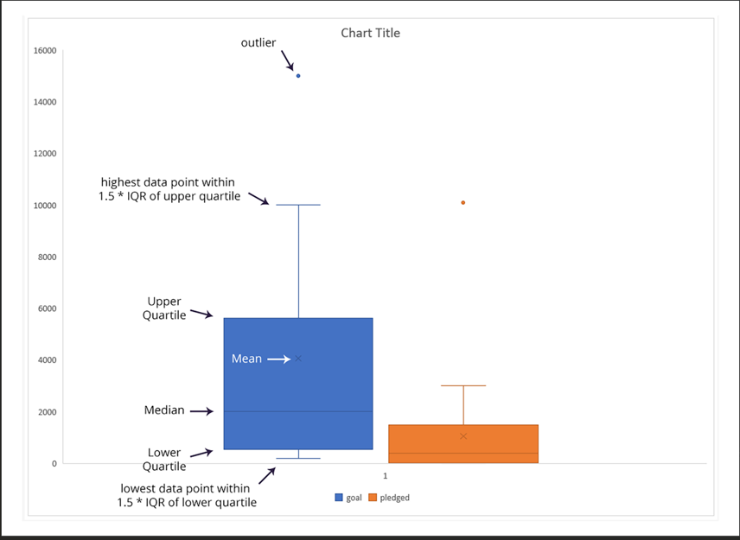

From these plots, we can see that the mean campaign goal is around £4,000. This is outside of the range of outliers for amount pledged, so Louise should probably try to get her play produced for less than £4,000. Half of the campaign goals are less than £2,000, which is just over the 3rd quartile for amounts pledged.

A partir desses gráficos, podemos ver que a meta média da campanha é de cerca de £ 4.000. Isso está fora do intervalo de outliers para o valor prometido, então Louise provavelmente deveria tentar produzir sua peça por menos de £ 4.000. Metade das metas da campanha são menores que £ 2.000, o que está um pouco acima do 3º quartil para valores prometidos.

